Cover Page
STRICTLY FOR PIAS' FA REPRESENTATIVES REFERENCE ONLY
(NOT FOR CIRCULATION TO PROSPECTS OR CLIENTS)

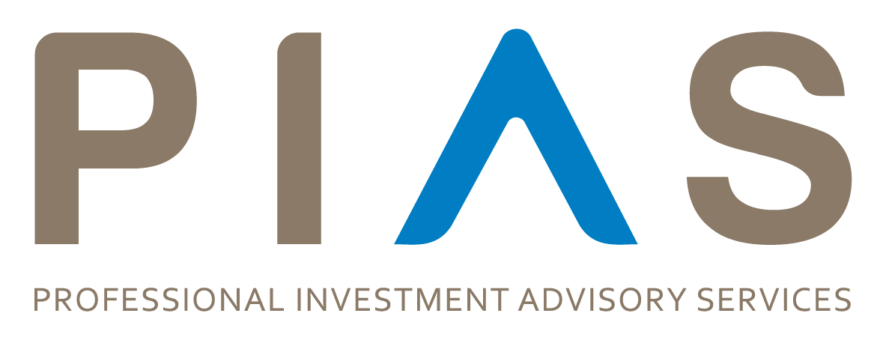

Customer Campaigns & Adviser Incentives

Grow with Singlife
Name | Type | Mechanics | Eligibility | Quarter | Period | Submission Deadline (to Business Support) | Inception Deadline | Circular
PIAS | Grow with Singlife 1H 2025 Campaign | Professional Investment Advisory Services Pte Ltd SCALE Campaign | Adviser Incentive | Cash Incentive | 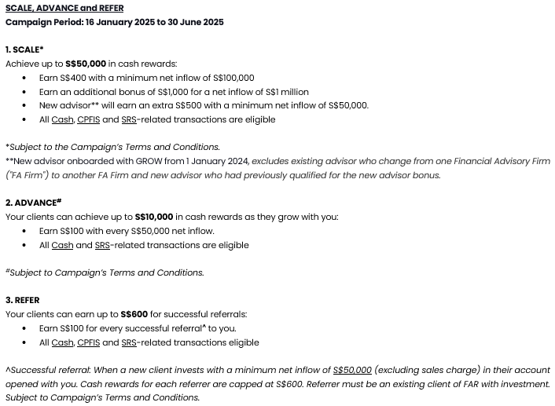 | Q1 and Q2 | Campaign Period: 16 January 2025 to 30 June 2025 | Campaign Period: 16 January 2025 to 30 June 2025 | Campaign Period: 16 January 2025 to 30 June 2025 | Broadcasted on Tue 21/01/2025 10:08 PM

